Dashboard
HONG KONG EV ADOPTION & INFRASTRUCTURE FORECAST

 | EV SHARE (Q1 2026) | EV TOTAL (APR 2026) | EV SHARE GROWTH (APR 2022 - APR 2026) | YEAR | EV Share % | Status
 | 27.93% | 164,075 | 22.67% | 2030 | 64.64% | Predicted
 |  |  |  | 2029 | 53.03% | Predicted
 |  |  |  | 2028 | 42.61% | Predicted
 |  |  |  | 2027 | 33.38% | Predicted
 |  |  |  | 2026 | 25.34% | Historical
 |  |  |  | 2025 | 18.49% | Historical
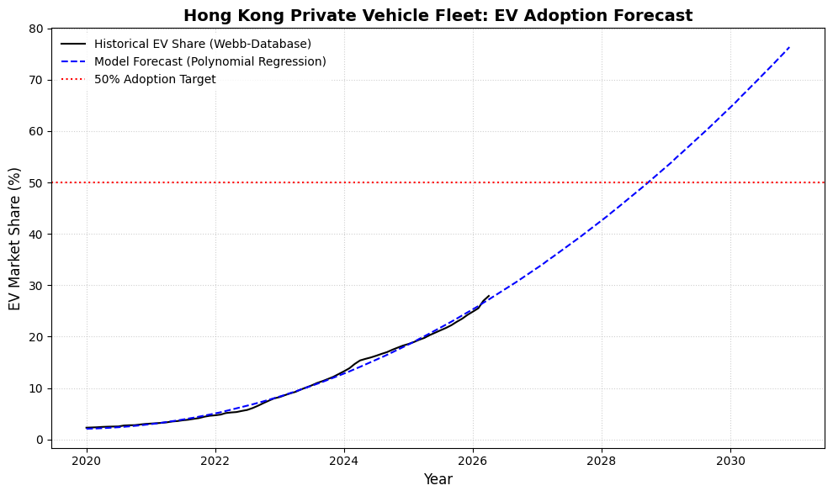
 |  |  |  | 2024 | 12.83% | Historical
 |  |  |  | 2023 | 8.36% | Historical
 |  |  |  | 2022 | 5.08% | Historical
 |  |  |  | 2021 | 2.99% | Historical
 |  |  |  | 2020 | 2.09% | Historical

 |  |  |  | EST. 50% MILESTONE YEAR
 |  |  |  | 2029

